README
 |  | Sequencing Submission Cut-Off:
 |  | Weekdays @ 8AM

 |  | Drop-off Location:
 |  | Sequencing Freezer (CCIS 5-047)
 |  | (Second Shelf in Yellow Racks)

1) Sample Preparation
Check Template Purity with Nanodrop: Ratio A260/230 = 2.00 & A260/280 = 1.8.

Prepare Template and Primer to appropriate concentrations.

 | Template Size | Template Mass | Final [ ] | Primer Amount | Final Primer [ ]
 | Plasmid
 | 3 - 10 kb | 575 ng | 57.5 ng/uL | 2.5 pmoles | 0.25 uM

 | PCR
 | 100 - 150 bp | 75 ng | 7.5 ng/uL | 2.5 pmoles | 0.25 uM
 | 150 - 500 bp | 150 ng | 15 ng/uL | 2.5 pmoles | 0.25 uM
 | 500 - 1000 bp | 225 ng | 22.5 ng/uL | 2.5 pmoles | 0.25 uM

 | Cosmid
 | 30 - 70 kb | 1 ug | 100 ng/uL | 15 pmoles | 1.5 uM

Pick either Option A or B for plastic consumption.

Option A) For 1.5 mL PCR tubes:
Label the tube cap clearly with your sample name.
You can abbreviate the name as long as we can link the tube ID with your sequencing form
Arrange your tubes in the same order as your submission form in the yellow racks.
Your samples will not be processed if not prepared properly.

DO:

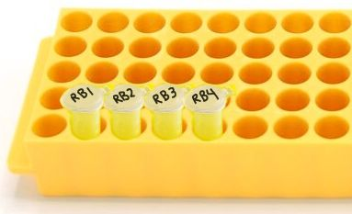

DON'T:
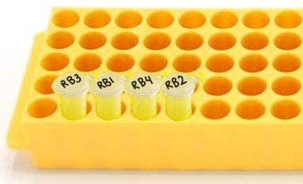
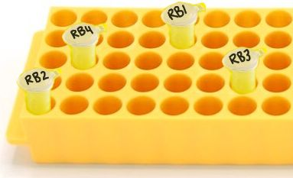

Option B) For 96-well Plates:
Label the skirt of your plate with your full name, plate number, Sanger Seq and date.
(i.e., Robbie Burns Plate 1 Sanger Seq 25Jan2025)

Fill up the 96-well Plate, starting with Well 1A and working your way down to Well 1H.
Move to the next adjacent Column for the next sample (i.e., Well 2A).
Do not have any empty wells between your samples.
Your samples will not be processed if not prepared properly.

DO:
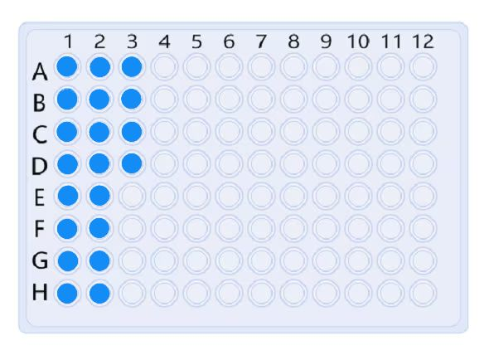

DON'T:
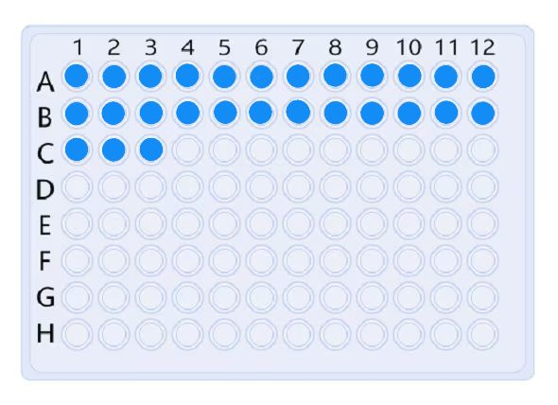
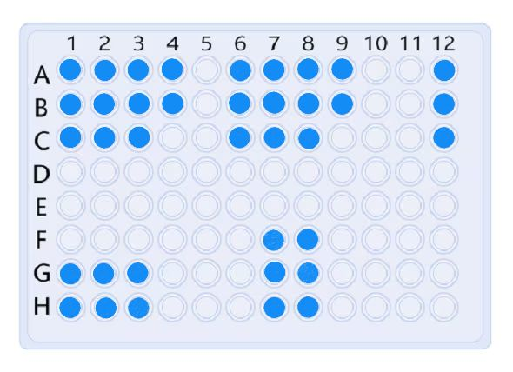

Drop-off your samples in the MBSU Sequencing freezer (second shelf, in the yellow racks).

Remember to email biombsu@ualberta.ca the Sanger Sequencing Form.
If we do not receive both samples and electronic form before the cut-off time,
your submission will not be processed.

2) Filling the Sanger Sequencing Form
Fill out the top table completely with the date, speed code, full name, email,
principal investigator, department and building / room.

Any empty cells in the top table will be highlighted yellow.
If any row is highlighted, please fill out the information accordingly.

Fill the lower table starting from Row 22 and work your way down without skipping
any rows. (i.e., Use Row 22 to Row 35 for 14 samples)

When filling out the lower table, do not use any punctuations, special symbols or spaces.
Only underscores ( _ ) and short dashes ( - ) are acceptable.

Any punctuations, special symbols or spaces detected in the form will be highlighted
yellow. If any row is highlighted, please rename your sample name.

Note: All submissions are defaulted to Economy Sequencing. If you require one of our
other Sanger sequencing services, please contact biombsu@ualberta before submitting.

3) Sequencing Results
It will take ~1 business day after sample processing to receive your sequencing results.

You should be receiving the following files via email:
i) Electropherogram (.ab1).
ii) Sequence (.txt).

Thank you for using our services!
MBSU Staff

